Net profit Line Chart
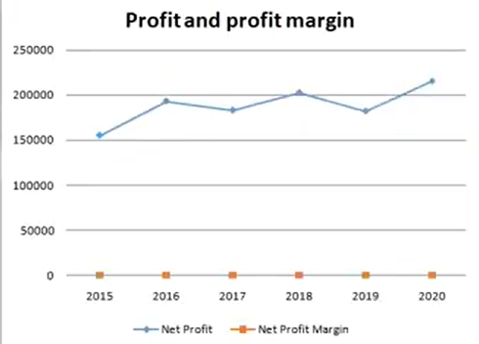
 |  |  | Hello, My Name is S Reethu Ahmed, I am a Machine Learning Intern at start tech academy.
Profit and Profit Margin
 |  |  | Problem Statement 1 – Excel
 | Net Profit | Net Profit Margin | As a data analysis intern, you are provided with a general store transaction dataset. You are supposed to do the following operations. Draw a Pivot table to get the different types of outlets and their counts Draw a Pivot table to get the total sales for different outlets Draw a Pivot table to find out the total sales of different item types in different outlet types In the third Pivot table, filter out (remove) low-fat products Add slicers for item fat and item type in the last Pivot table
2015 | 155076 | 8%
2016 | 193189 | 9%
2017 | 182970 | 11%
2018 | 202515 | 12%
2019 | 182099 | 11%
2020 | 215285 | 9%

Revenue column chart
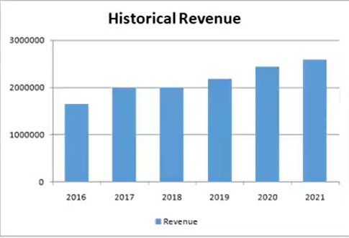
Historical Revenue

 | Year | Revenue
 | 2016 | 1653634
 | 2017 | 1986832
 | 2018 | 1997535
 | 2019 | 2187475
 | 2020 | 2439535
Projected | 2021 | 2584736

Cost analysis Pie chart
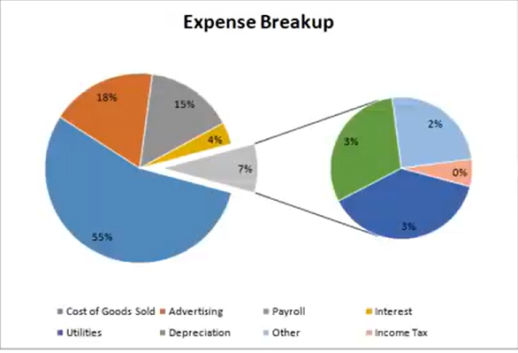
Expense Breakup

Costs | Value
Cost of Goods Sold | 1,188,535
Advertising | 390,371
Payroll | 323,870
Interest | 80,847
Other | 180,115

Other Expense Breakup

Utilities | 68,865
Depreciation | 55,000
Other | 45,000
Income Tax | 11,250

Target Bar charts
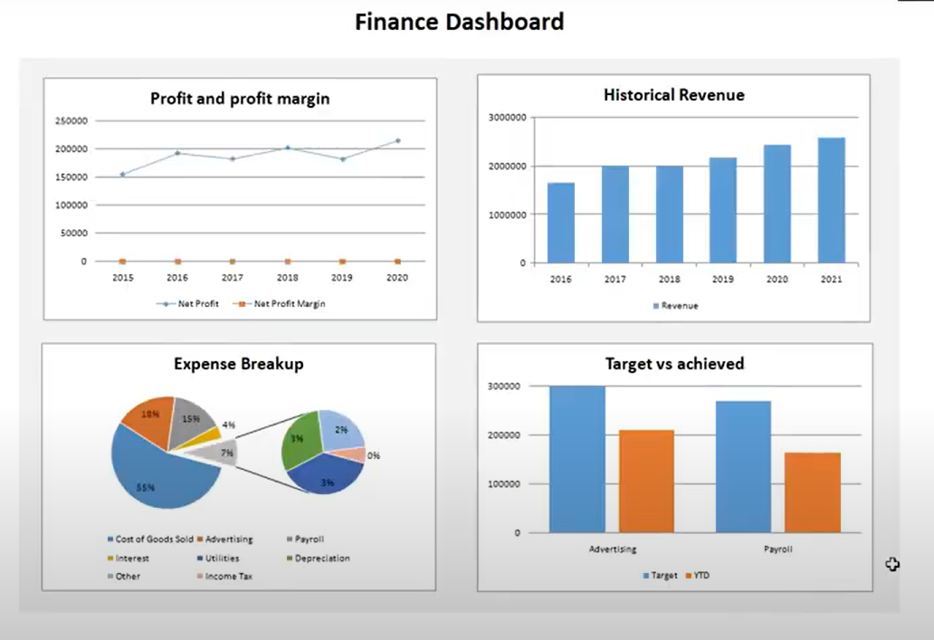
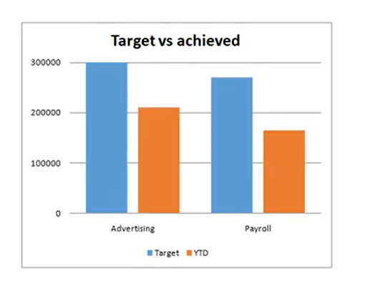
Main expenditure item Target vs achieved

Expenditure | Target | YTD | Achieved
Advertising | 300000 | 210000 | 70%
Payroll | 270000 | 165000 | 61%

 |  |  |  | PART -2 : Create the financial dashboard: As a data analysis intern, you are provided with the Profit and Loss statement of a company for the year 2020. Create a line graph for profit and profit margin for different years. Column chart for historical revenue. Pie chart for expense breakup Main expenditure item Target vs achieved Create chats of other metrics you feel are important.

